Plan1
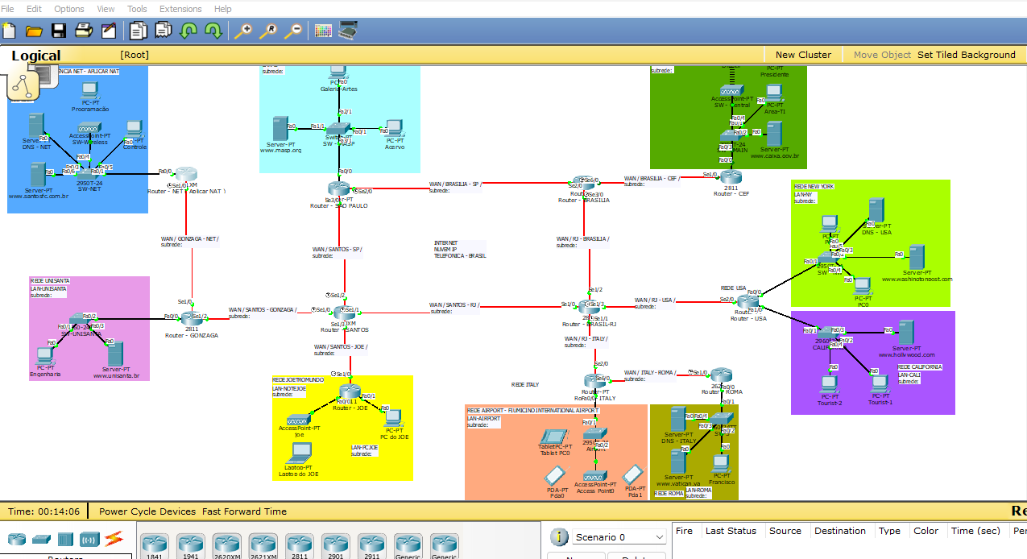
 |  | Rede Local Privada - NET | REDE BRASIL - ( DNS NET ) |  | REDE USA - ( DNS USA ) |  | REDES ITALY - ( DNS ITALY )
RA | Nome | Endereços Reservados ( APLICAR NAT ) | LANs | WANs ( Interno ao Router BRASIL-RJ ) | LANs | WANs ( Externo ao Router BRASIL-RJ ) | LANs | WANs ( Externo ao Router BRASIL-RJ )
227448 | ARTHUR SOARES PALLADINO | 10.0.0.0/8 | 140.30.0.0/22 | 205.101.60.0/30 | 30.0.0.0/17 | 181.71.83.0/30 | 80.0.0.0/25 | 155.103.0.0/30
226790 | BRUNO GARCIA CARVALHO | 172.16.0.0/16 | 140.31.0.0/22 | 205.102.60.0/30 | 31.0.0.0/17 | 130.221.123.0/30 | 81.1.0.0/25 | 155.39.0.0/30
228282 | CAIO RODRIGUES DOS SANTOS | 192.168.0.0/24 | 140.32.0.0/22 | 205.103.60.0/30 | 32.0.0.0/17 | 221.105.74.0/30 | 82.2.0.0/25 | 155.40.0.0/30
229229 | CARLOS EDUARDO GRUNINGER PASSAES | 11.0.0.0/8 | 140.33.0.0/22 | 205.104.60.0/30 | 33.0.0.0/17 | 223.188.36.0/30 | 83.3.0.0/25 | 135.44.0.0/30
233514 | CAYO VINYCIUS OLIVEIRA DE ALMEIDA | 172.17.0.0/16 | 140.34.0.0/22 | 205.105.60.0/30 | 34.0.0.0/17 | 180.89.188.0/30 | 84.4.0.0/25 | 135.45.0.0/30
230418 | FELIPE SILONE DE CAMPOS | 192.168.1.0/24 | 140.35.0.0/22 | 205.106.60.0/30 | 35.0.0.0/17 | 219.210.84.0/30 | 85.5.0.0/25 | 135.46.0.0/30
235189 | FELIPPE RODRIGUES ALONSO | 12.0.0.0/8 | 140.36.0.0/22 | 205.107.60.0/30 | 36.0.0.0/17 | 204.253.197.0/30 | 86.6.0.0/25 | 155.100.0.0/30
233289 | FERNANDO AUGUSTO PENA AULICINO | 172.18.0.0/16 | 140.37.0.0/22 | 205.108.60.0/30 | 37.0.0.0/17 | 199.177.144.0/30 | 87.7.0.0/25 | 155.47.0.0/30
244591 | GIOVANI CORDEIRO DE ABREU | 192.168.2.0/24 | 140.38.0.0/22 | 205.109.60.0/30 | 38.0.0.0/17 | 154.202.1.0/30 | 88.8.0.0/25 | 155.48.0.0/30
226523 | JUANA ISABELA LÓPEZ PORTILLO | 13.0.0.0/8 | 140.39.0.0/22 | 205.110.60.0/30 | 39.0.0.0/17 | 141.190.25.0/30 | 89.9.0.0/25 | 166.100.0.0/30
231046 | LEONARDO HENRIQUE RULIM NOGUEIRA | 172.19.0.0/16 | 140.40.0.0/22 | 205.111.60.0/30 | 40.0.0.0/17 | 153.130.70.0/30 | 90.10.0.0/25 | 166.101.0.0/30
233423 | LETÍCIA MOREIRA RIBEIRO | 192.168.3.0/24 | 140.41.0.0/22 | 205.112.60.0/30 | 41.0.0.0/17 | 206.189.114.0/30 | 91.11.0.0/25 | 166.102.0.0/30
232307 | MARLON CORREIA BOMFIM JUNIOR | 14.0.0.0/8 | 140.42.0.0/22 | 205.113.60.0/30 | 42.0.0.0/17 | 214.42.58.0/30 | 92.12.0.0/25 | 166.103.0.0/30
232577 | MATHEUS CORREIA CAUMO | 172.20.0.0/16 | 140.43.0.0/22 | 205.114.60.0/30 | 43.0.0.0/17 | 222.107.211.0/30 | 93.13.0.0/25 | 166.104.0.0/30
233508 | MYKAELLA SCARLLET DE LEMOS SANTANA | 192.168.4.0/24 | 140.44.0.0/22 | 205.115.60.0/30 | 44.0.0.0/17 | 220.38.35.0/30 | 94.14.0.0/25 | 166.134.0.0/30
232769 | NAOMI FERNANDES REZENDE | 15.0.0.0/8 | 140.45.0.0/22 | 205.116.60.0/30 | 45.0.0.0/17 | 193.158.97.0/30 | 95.15.0.0/25 | 166.144.0.0/30
226146 | PEDRO HENRIQUE BRITO NASCIMENTO | 172.21.0.0/16 | 140.46.0.0/22 | 205.117.60.0/30 | 46.0.0.0/17 | 219.156.5.0/30 | 96.16.0.0/25 | 166.145.0.0/30
226013 | PEDRO HENRIQUE MOREIRA SANTOS CRETELLA | 192.168.5.0/24 | 140.47.0.0/22 | 205.118.60.0/30 | 47.0.0.0/17 | 151.254.7.0/30 | 97.17.0.0/25 | 166.39.0.0/30
226326 | RAFAEL RIBEIRO DE LIMA | 16.0.0.0/8 | 140.48.0.0/22 | 205.119.60.0/30 | 48.0.0.0/17 | 196.154.106.0/30 | 98.18.0.0/25 | 166.40.0.0/30
227827 | RICARDO TAVARES ALEXANDRE | 172.22.0.0/16 | 140.49.0.0/22 | 205.120.60.0/30 | 49.0.0.0/17 | 219.93.226.0/30 | 99.19.0.0/25 | 166.44.0.0/30
232710 | VINICIUS ALVES SANTANA | 192.168.6.0/24 | 140.50.0.0/22 | 205.121.60.0/30 | 50.0.0.0/17 | 142.31.84.0/30 | 100.20.0.0/25 | 170.104.0.0/30
228890 | VINICIUS SCARPITTI DE OLIVEIRA | 17.0.0.0/8 | 140.51.0.0/22 | 205.122.60.0/30 | 51.0.0.0/17 | 132.64.249.0/30 | 101.21.0.0/25 | 170.64.0.0/30
230610 | VINÍCIUS DE MORAES REGIS | 172.23.0.0/16 | 140.52.0.0/22 | 205.123.60.0/30 | 52.0.0.0/17 | 164.45.113.0/30 | 102.22.0.0/25 | 170.74.0.0/30
228550 | WECTON DA SILVA SANTOS | 192.168.7.0/24 | 140.53.0.0/22 | 205.124.60.0/30 | 53.0.0.0/17 | 149.255.75.0/30 | 103.23.0.0/25 | 170.84.0.0/30
231335 | ÁGATHA NICOLE MARQUES FAVARO | 18.0.0.0/8 | 140.54.0.0/22 | 205.125.60.0/30 | 54.0.0.0/17 | 174.117.90.0/30 | 104.24.0.0/25 | 170.94.0.0/30
 |  | 172.24.0.0/16 | 140.55.0.0/22 | 205.126.60.0/30 | 55.0.0.0/17 | 196.204.217.0/30 | 105.25.0.0/25 | 170.104.4.0/30
 |  | 192.168.8.0/24 | 140.56.0.0/22 | 205.127.60.0/30 | 56.0.0.0/17 | 129.26.84.0/30 | 106.26.0.0/25 | 170.64.4.0/30
 |  | 19.0.0.0/8 | 140.57.0.0/22 | 205.128.60.0/30 | 57.0.0.0/17 | 210.183.198.0/30 | 107.27.0.0/25 | 170.74.4.0/30
 |  | 172.25.0.0/16 | 140.58.0.0/22 | 205.129.60.0/30 | 58.0.0.0/17 | 222.247.133.0/30 | 108.28.0.0/25 | 170.84.4.0/30
 |  | 192.168.9.0/24 | 140.59.0.0/22 | 205.130.60.0/30 | 59.0.0.0/17 | 198.128.193.0/30 | 109.29.0.0/25 | 170.94.4.0/30
 |  | 20.0.0.0/8 | 140.60.0.0/22 | 205.131.60.0/30 | 60.0.0.0/17 | 128.233.101.0/30 | 110.30.0.0/25 | 171.4.0.0/30
 |  | 172.26.0.0/16 | 140.61.0.0/22 | 205.132.60.0/30 | 61.0.0.0/17 | 172.206.3.0/30 | 111.31.0.0/25 | 171.5.0.0/30
 |  | 192.168.10.0/24 | 140.62.0.0/22 | 205.133.60.0/30 | 62.0.0.0/17 | 153.251.53.0/30 | 112.32.0.0/25 | 171.6.0.0/30
 |  | 21.0.0.0/8 | 140.63.0.0/22 | 205.134.60.0/30 | 63.0.0.0/17 | 184.133.68.0/30 | 113.33.0.0/25 | 171.7.0.0/30

 | aluno extra | 172.27.0.0/16 | 140.64.0.0/22 | 205.135.60.0/30 | 64.0.0.0/17 | 132.246.248.0/30 | 114.34.0.0/25 | 171.8.0.0/30
 | aluno extra | 192.168.11.0/24 | 140.65.0.0/22 | 205.136.60.0/30 | 65.0.0.0/17 | 142.61.64.0/30 | 115.35.0.0/25 | 171.9.0.0/30

